Scotch&Soda
 |  | Pre-Packed | 1 | 2 | 2 | 1
Photo | Article | Model | S | M | L | XL | Total | RRP/UVP | Composition
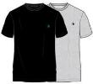 | SSSP25M236845 001 | Scotch&Soda Men Lounge 2-Pack T-Shirt Hanging Black | 150 | 300 | 300 | 150 | 900 | € 40.00 | 60% COTTON 40% POLYESTER
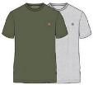 | SSSP25M236845 340 | Scotch&Soda Men Lounge2-Pack T-Shirt Hanging Olive | 150 | 300 | 300 | 150 | 900 | € 40.00 | 60% COTTON 40% POLYESTER
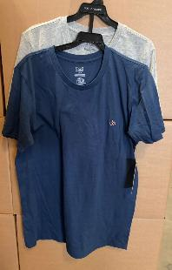
 | SSSP25M236845 410 | Scotch&Soda Men 2-Pack Lounge T-Shirt Hanging Navy | 150 | 300 | 300 | 150 | 900 | € 40.00 | 60% COTTON 40% POLYESTER
 | SSSP25M236845 685 | Scotch&Soda Men Lounge 2-Pack T-Shirt Hanging Pink/Green | 150 | 300 | 300 | 150 | 900 | € 40.00 | 60% COTTON 40% POLYESTER
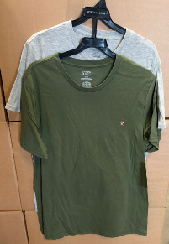
 |  |  |  |  |  |  | 3600

